Sheet1
Groyyo Private Limited
B108, GoWork, Udyog Vihar Phase -1
Sector 20, Gurgaon 122016, India
Employee Name |  | joseph sylvester | Employee Id | 84
Period |  | Month of June 2026 | Location | Gurgaon
Purpose |  | Quality Inspections
Customer Name |  | BS ,BALMOKH,JDY ,ONLY,DEFACTO

SL No | Bill Date | Particulars | Category | Amount
1 | 1.6.2026 | home Rdee to 3m exim 96 kms | car | 960
2 | 2.6.2026 | home to 3 m exim to growel impex | car | 960
3 | 3.6.2026 | home to 3 m exim 96 kms | car | 960
4 | 4.6.2026 | home to Rdee to 3 m exim 96 kms | car | 960
5 | 5.6.2026 | home to Rdee sector 63 factories | car | 960
6 | 6.6.2026 | home 3 m exim Noida to Sahir exports 96 kms | car | 960
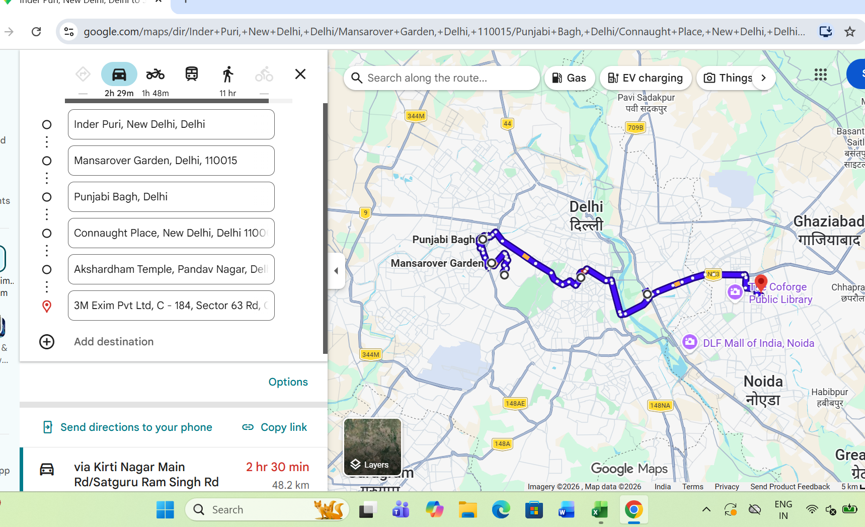
7 | 8.6.2026 | home to Rdee to 3m exim 96 kms | car | 960
8 | 9.6.2026 | home to Rdee to 3 m exim 96 kms | car | 960
9 | 10.6.2026 | home to Rdee 3m exim 96 kms | car | 960
10 | 11.6.2026 | home to 3m exim to growel impex 96 kms | car | 960
11 | 12.6.2026 | home toRdee to 3 m exim 96kms | car | 960
12 | 13.6.2026 | home to Rdee to 3 m exim 96 kms | car | 960
13 | 17.6.2026 | home to sahir to3 m exim 96 kms | car | 960
14 | 20.6.2026 | office to Rue Fashion to office 40 kms | car | 400
15 | 21.6.2026 | home to Rue fashion to home 100 kms | car | 1,000
16 | 22.6.2026 | office to Rue Fashion to office 40 kms | car | 400
17 | 23.6.2026 | home to sahir to Rdee to 3 m exim 96 kms | car | 960
18 | 26.6.2026 | home to 3 m exim 96 kms | car | 960
19 | 27.6.2026 | home to Rdee to Rdee to 3 m exim 96 kms | car | 960
20 | 29.6.2026 | home to sahir exports to 3 m exim | car | 960
 |  | eighteen thousand one hundred twenty | total | 18,120

Employee Signature |  |  | Approver Signature
Date | 1.5.2026 |  | Approver Name
Place | Gurgaon

