Sheet1
Groyyo Private Limited
B108, GoWork, Udyog Vihar Phase -1
Sector 20, Gurgaon 122016, India
Employee Name |  | joseph sylvester | Employee Id | 84
Period |  | 8.12.2025 to 23.12.2025 | Location | Gurgaon
Purpose |  | Quality Inspections
Customer Name |  | BS ONLY RETAIL JDY COLINS ROSS DEFACTO

SL No | Bill Date | Particulars | Category | Amount
1 | 8.12.2025 | home to sahir to 3m exim to sahir exports 96 kms | car | 960

2 | 9.12.2025 | home to sahir to christ international 96 kms | car | 960
3 | 10.12.2025 | home to sahir to christ international 96 kms | car | 960
4 | 12.12.2025 | Home to sahir to christ international TO Growel | car | 960
 |  | to sahir 100 kms
5 | 13.12.2025 | home to sahir to growel to sahir to celestial 110 | car | 1,000
6 | 15.12.2025 | office to GPL to office 40 kms | car | 400
7 | 16.12.2025 | home to sahir exports to 3M to sahir exports 96kms | car | 960
8 | 17.12.2025 | office to GPL to office 40 kms | car | 400
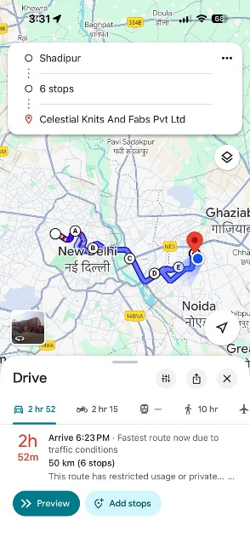
9 | 18.12.2025 | home to sahir to christ to sahir exports 96 kms | car | 960
10 | 19.12.2025 | home to sahir to christ to growel to 3 m exim 110kms | car | 960
11 | 20.12.2025 | home to sahir exports to 3M to growel 96kms | car | 960
12 | 22.12.2025 | home to 3 m to sahir exports 96 kms | car | 960
13 | 23.12.2025 | home to 3 m to christ to growel 96 kms | car | 960
 |  | Eleven thousand six hundred eighty only | TOTAL | 11,400

Employee Signature |  |  | Approver Signature
Date | 31.12.2025 |  | Approver Name
Place | Gurgaon

