Sheet1
Groyyo Private Limited
B108, GoWork, Udyog Vihar Phase -1
Sector 20, Gurgaon 122016, India
Employee Name |  | joseph sylvester | Employee Id | 84
Period |  | 26.11.2025 to 9.12.2025 | Location | Gurgaon
Purpose |  | Quality Inspections
Customer Name |  | LOFT/LOLA CASA/COLINS/\ rossinc .BS Retail

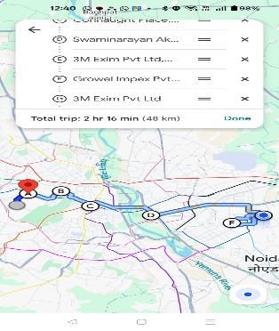
SL No | Bill Date | Particulars | Category | Amount
1 | 26.11.2025 | Home to Growel Impex to Sahir exports | 76 | 760
 |  | 96 KMS
2 | 27.11.2025 | home to Raveena greater noida 102.4 kms | 81 | 810

3 | 29.11.2025 | Home to Christ international
 |  | to 3M Exim to Rdee 96kms | 87 | 870
4 | 1.12.2025 | home to Raveena greater noida
 |  | 102 kms | 81 | 810
5 | 2.12.2025 | Home to christ international to sahir exports96 kms | 87 | 870
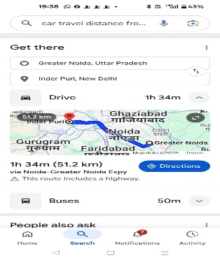
6 | 3.12.2025 | Home to christ international to sahir exports 96 kms | 99 | 990
 |  | to growel impex
7 | 4.12.2025 | Home to christ international to 3 m exim to growel | 91 | 910
 |  | impex to sahir exports
8 | 5.12.2025 | home to Rdee to Sahir exports to Rdee 80 kms | 71 | 710
9 | 6.12.2025 | home to Rdee to Sahir exports to Rdee 80 kms | 71 | 710
 |  | Total |  | 7,440

Employee Signature |  |  | Approver Signature
Date | 11.12.2025 |  | Approver Name
Place | Gurgaon

