Sheet1
Groyyo Private Limited
B108, GoWork, Udyog Vihar Phase -1
Sector 20, Gurgaon 122016, India
Employee Name |  | joseph sylvester | Employee Id | 84
Period |  | 5.11.2025 to 13.11.2025 | Location | Gurgaon
Purpose |  | Quality Inspections
Customer Name |  | LOFT/LOLA CASA/COLINS/BS

SL No | Bill Date | Particulars | Category | Amount
1 | 5.11.2025 | inder puri to christ international to other factory of sahirexport growel 3 m exim christ international | car | 1,300 | Going to Christ International & Fabricators units of Christ International | 79 | 790 | 2025-11-05 | 2025-11-06

2 | 6.11.2025 | inder puri to christ international to other factory of sahirexport growel 3 m exim christ international 65 + 65 |  |  | Going to Growel Impex to Christ International to 3 M exim | 84 | 840 | 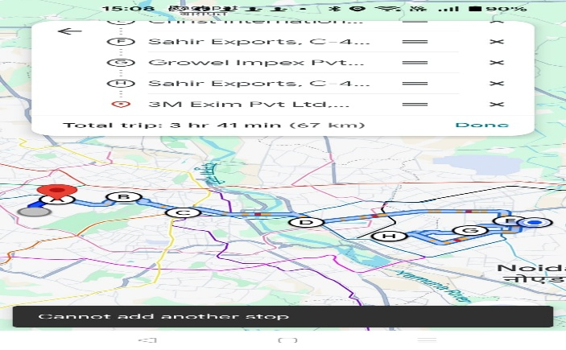
 |  |  | car | 1,300
3 | 7.11.2025 | inder puri to christ international to other factory of sahirexport growel 3 m exim christ international 65 + 65
 |  |  | car | 1,300 | Going to Christ International to 3 M exim to Growel Impex | 84 | 840
4 | 10.11.2025 | Inder puri to Raveena greater noida to sahir exports noida christ international , 3M Exim ,Growel 83.5 + 65
 |  |  | car | 1,485 | Going to Raveena to christ international to Sahir to 3 M exim | 152 | 1520
5 | 11.11.2025 | FROM GPL to christ international to others | car | 1,730 | GPL to Noida factories from GPL to christ International | 141 | 1410
 |  | Khandsha to faridabad pahari road christ noida sahir export 3m exim , growel 108 + 65
6 | 13.11.2025 | inder puri to christ international to other factory of sahirexport growel 3 m exim christ international 65 + 65 | car | 1,300 | Going to Noida factories Christ International to 3 M exim | 76 | 760
 |  | total rupees |  | 8,415 |  |  | 6160

 |  |  |  |  |  |  |  | 2025-11-07 | 2025-11-10

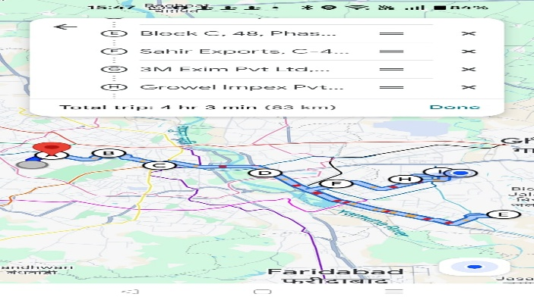
Employee Signature |  |  | Approver Signature |  |  |  |  | 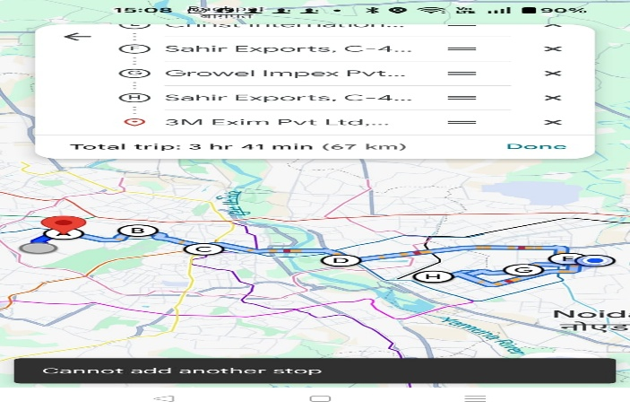
Date |  |  | Approver Name
Place | Gurgaon

 |  |  |  |  |  |  |  | 2025-11-11 | 2025-11-13

 |  |  |  |  |  |  |  | 