Sheet1
Groyyo Private Limited
B108, GoWork, Udyog Vihar Phase -1
Sector 20, Gurgaon 122016, India
Employee Name |  | joseph sylvester | Employee Id | 84
Period |  | 14.11.2025 to 25.11.2025 | Location | Gurgaon
Purpose |  | Quality Inspections
Customer Name |  | LOFT/LOLA CASA/COLINS/\ rossinc .

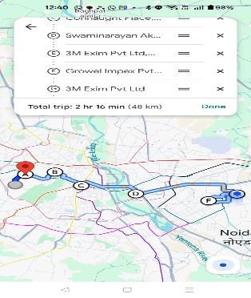
SL No | Bill Date | Particulars | Category | Amount
1 | 14.11.2025 | home to christ international 3 M EXIM factory of | car | 960
 |  | 96 KMS
2 | 15.11.2025 | home to christ international to other factory of
 |  | noida 3 m exim 96KMS | car | 960
3 | 17.11.2025 | Home to Christ international
 |  | to 3M Exim to Sahir exports | car | 960
4 | 18.11.2025 | home to Raveena greater noida to sahir exports noida
 |  | 102 kms | car | 1,020
5 | 19.11.2025 | Home to christ international 96 kms | car | 960
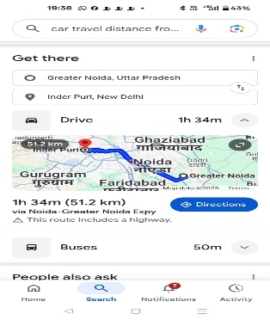
6 | 21.11.2025 | Home to christ international to sahir exports 96 kms | car | 960

7 | 24.11.2025 | Home to christ international to growel impex 96 kms | car | 960

8 | 25.11.2025 | home to 3m exim to growel impex | car | 960

 |  | Total |  | 7,740

Employee Signature |  |  | Approver Signature
Date |  |  | Approver Name
Place | Gurgaon

