Sheet1
Groyyo Private Limited
B108, GoWork, Udyog Vihar Phase -1
Sector 20, Gurgaon 122016, India
Employee Name |  | joseph sylvester | Employee Id | 84
Period |  | 5.11.2025 to 13.11.2025 | Location | Gurgaon
Purpose |  | Quality Inspections
Customer Name |  | LOFT/LOLA CASA/COLINS/BS

SL No | Bill Date | Particulars | Category | Amount
1 | 5.11.2025 | inder puri to christ international to other factory of sahirexport growel 3 m exim christ international | car | 1,300
 |  |  |  |  | 2025-11-05 | 2025-11-06
2 | 6.11.2025 | inder puri to christ international to other factory of sahirexport growel 3 m exim christ international 65 + 65
 |  |  | car | 1,300 | 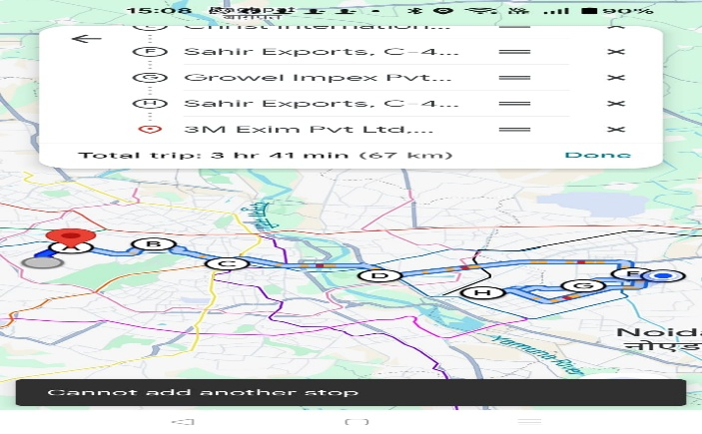
3 | 7.11.2025 | inder puri to christ international to other factory of sahirexport growel 3 m exim christ international 65 + 65
 |  |  | car | 1,300
4 | 10.11.2025 | Inder puri to Raveena greater noida to sahir exports noida christ international , 3M Exim ,Growel 83.5 + 65
 |  |  | car | 1,485
5 | 11.11.2025 | FROM GPL to christ international to others | car | 1,730
 |  | Khandsha to faridabad pahari road christ noida sahir export 3m exim , growel 108 + 65
6 | 13.11.2025 | inder puri to christ international to other factory of sahirexport growel 3 m exim christ international 65 + 65 | car | 1,300
 |  | total rupees |  | 8,415

 |  |  |  |  | 2025-11-07 | 2025-11-10
Employee Signature |  |  | Approver Signature
Date |  |  | Approver Name |  | 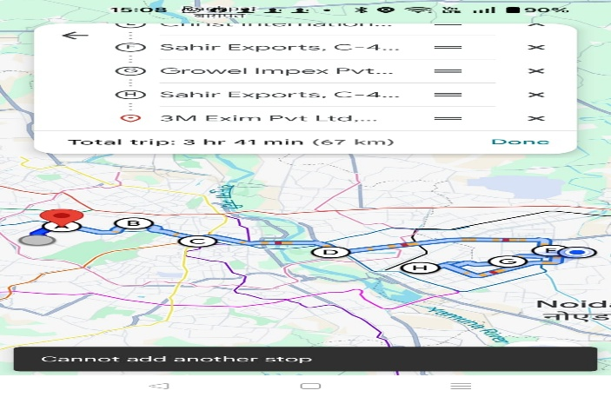 | 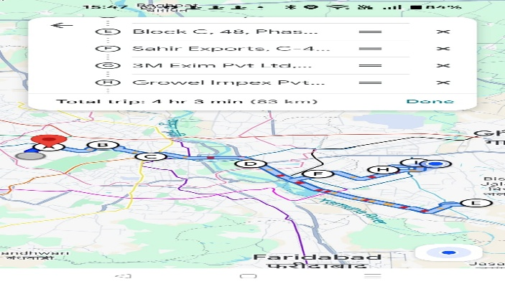
Place | Gurgaon

 |  |  |  |  | 2025-11-11 | 2025-11-13

 |  |  |  |  | 