Sheet1
Groyyo Private Limited
B108, GoWork, Udyog Vihar Phase -1
Sector 20, Gurgaon 122016, India
Employee Name |  | joseph sylvester | Employee Id | 84
Period |  | 5.11.2025 to 13.11.2025 | Location | Gurgaon
Purpose |  | Quality Inspections
Customer Name |  | LOFT/LOLA CASA/COLINS/BS

SL No | Bill Date | Particulars | Category | Amount
1 | 5.11.2025 | home to christ international to other factory of | car | 1,300
 |  | Christ international 65+65
2 | 6.11.2025 | home to christ international to other factory of
 |  | noida 3 m exim to growel impex 65+65 | car | 1,300
3 | 7.11.2025 | home to christ international to other factory of
 |  | noida 3 m exim to growel impex 65+65 | car | 1,300
4 | 10.11.2025 | home to Raveena greater noida to sahir exports noida
 |  | christ international and return 148.5 kms | car | 1,485
5 | 11.11.2025 | FROM GPL to christ international to others | car | 1,730
 |  | 173 kms and return
6 | 13.11.2025 | Home to christ international to 3 M Exim | car | 1,300
 |  | total rupees |  | 8,415
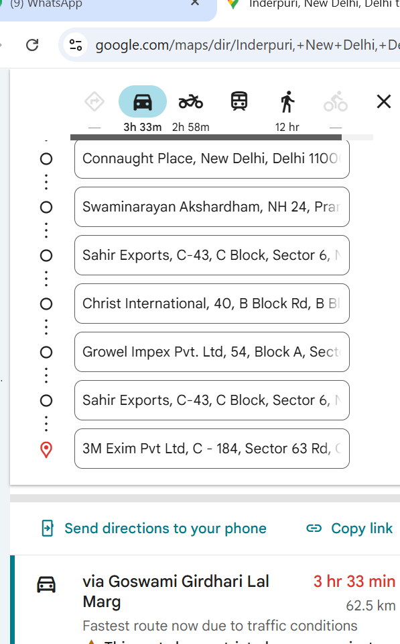

Employee Signature |  |  | Approver Signature
Date |  |  | Approver Name
Place | Gurgaon

